Cover Page
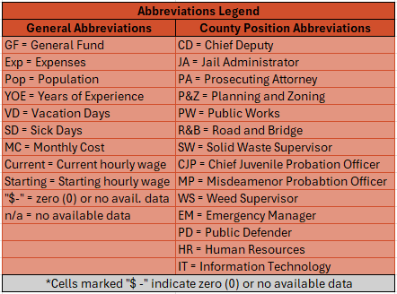

Notes
Please reference the abbrevations guide at the bottom of the worksheet(s) if there is confusion around any particular information or abbreviations. There are also notes on necessary headings on each worksheet that further clarify the data (just hover over a heading tab to see the clarifying notes).
Navigate the colored tabs at the bottom of the worksheet(s) to change categories.
If there are any questions or concerns, please reach out!
Contact
Chase Christensen
IAC Research Analyst & Operations Specialist
Email: cchristensen@idcounties.org

County Info
County | 2022 Population | % Pop. Change from 2021 | # Employees | # Full Time | # Part Time | # Seasonal | Total 2023 Wages | FY23 GF Exp. | FY23 Justice Fund Exp. | FY23 District Court Exp. | FY23 Indigent Fund Exp. | FY23 Revaluation Exp. | FY23 Junior College Tuition Exp.
Ada | 518,907 | 1.36% | 2163 | 2053 | 93 | 0 | $159,512,905.30 | $222,344,745.00 | $- | $17,465,507.00 | $- | $4,344,746.00 | $-
Adams | 4,817 | 4.15% | 81 | 65 | 16 | 2 | $3,109,794.02 | $1,695,580.15 | $2,540,428.85 | $217,817.20 | $524,620.63 | $203,682.80 | $500.00
Bannock | 89,517 | 1.42% | 576 | 470 | 50 | 56 | $21,880,401.98 | $20,967,812.00 | $15,785,118.00 | $2,495,860.00 | $2,677,214.00 | $1,376,391.00 | $20,700.00
Bear Lake | 6,722 | 2.70% | 107 | 52 | 56 | 7 | $2,731,384.78 | $3,622,141.74 | $- | $401,658.13 | $73,833.18 | $405,592.95 | $4,500.00
Benewah | 10,370 | 4.42% | 121 | 80 | 41 | 8 | $3,161,673.24 | $1,848,026.92 | $2,282,546.70 | $262,505.52 | $94,657.73 | $307,027.36 | $18,975.00
Bingham | 49,923 | 2.14% | 278 | 242 | 36 | 3 | $11,501,540.00 | $1,351,755.00 | $7,975,884.00 | $699,322.00 | $- | $648,225.00 | $68,000.00
Blaine | 24,866 | 0.40% | 184 | 182 | 2 | 0 | $12,380,410.16 | $21,625,907.06 | $- | $240,465.15 | $20,487.42 | $706,676.97 | $75,700.00
Boise | 8,333 | 2.95%
Bonner | 51,414 | 3.89% | 540 | 479 | 33 | 28 | $19,125,027.04 | $11,843,376.03 | $20,796,560.86 | $2,450,108.33 | $43,238.74 | $1,432,848.03 | $765,968.00
Bonneville | 129,496 | 1.22% | 580 | 529 | 23 | 28 | $27,823,597.24 | $24,715,905.45 | $34,273,773.30 | $6,093,641.38 | $671,164.63 | $1,386,442.88 | $-
Boundary | 13,345 | 6.24% | 149 | 124 | 25 | 0 | $6,369,634.20 | $2,953,856.07 | $4,482,506.06 | $341,170.42 | $- | $441,667.70 | $29,150.00
Butte | 2,684 | 1.13% | 48 | 45 | 3 | 5 | $1,860,860.89 | $6,308,444.78 | $1,364,808.50 | $115,083.12 | $13,654.38 | $22,168.05 | $1,000.00
Camas | 1,153 | 1.23% | 30 | 27 | 3 | 5 | $1,309,972.00 | $666,198.00 | $565,426.00 | $68,056.00 | $- | $55,808.00 | $3,000.00
Canyon | 251,065 | 3.27% | 951 | 872 | 59 | 1 | $51,825,539.08 | $19,658,137.59 | $23,342,641.26 | $7,262,274.37 | $- | $2,433,930.88 | $- | Indigent was a part of the General Fund in 2023.
Caribou | 7,190 | 1.11% | 120 | 84 | 29 | 7 | $3,698,900.71 | $3,748,797.43 | $3,501,212.81 | $663,432.16 | $47,075.02 | $201,224.52 | $10,900.00
Cassia | 25,655 | 1.95% | 191 | 152 | 34 | 5 | $7,959,165.16 | $4,660,046.35 | $11,521,273.95 | $2,888,379.27 | $352,321.83 | $390,866.04 | $153,000.00
Clark | 806 | 1.77% | 38 | 32 | 4 | 2 | $1,256,478.08 | $945,379.51 | $265,266.40 | $80,727.19 | $26,367.78 | $30,958.15 | $1,000.00
Clearwater | 9,015 | 1.35% | 162 | 95 | 67 | 5 | $4,713,338.17 | $2,737,273.47 | $3,630,550.70 | $319,177.96 | $251,261.30 | $181,728.27 | $300.00
Custer | 4,506 | 1.76% | 63 | 48 | 9 | 6 | $1,960,735.94 | $3,352,060.63 | $- | $109,760.25 | $- | $133,295.15 | $5,800.00
Elmore | 29,403 | 2.00% | 235 | 180 | 49 | 13 | $8,562,051.01 | $5,667,295.00 | $3,364,928.69 | $530,445.99 | $48,576.31 | $238,059.66 | $54,750.00
Franklin | 15,189 | 3.57% | 111 | 71 | 40 | 9 | $3,631,474.60 | $3,221,336.01 | $2,670,547.76 | $332,780.49 | $- | $264,064.35 | $2,300.00
Fremont | 13,978 | 2.84% | 302 | 176 | 121 | 5 | $9,981,861.72 | $4,114,180.91 | $7,347,822.14 | $792,754.77 | $- | $506,284.91 | $17,100.00
Gem | 20,418 | 3.16% | 136 | 109 | 27 | 3 | $5,034,569.99 | $4,369,900.91 | $3,781,222.78 | $395,943.87 | $325,898.44 | $316,340.68 | $32,300.00
Gooding | 15,715 | -0.36% | 130 | 99 | 30 | 1 | $4,927,977.84 | $1,787,604.27 | $- | $96,881.55 | $37,473.13 | $9,863.01 | $86,600.00
Idaho | 17,593 | 3.25% | 116 | 110 | 6 | 0 | $4,644,368.96 | $7,656,486.29 | $- | $161,887.31 | $- | $420,665.79 | $3,450.00
Jefferson | 33,428 | 3.81% | 197 | 178 | 19 | 0 | $7,840,596.51 | $4,917,246.54 | $6,668,681.68 | $1,155,836.00 | $26,682.00 | $668,317.00 | $62,600.00
Jerome | 25,311 | 2.63% | 168 | 144 | 24 | 0 | $6,855,764.08 | $4,772,538.23 | $8,764,015.69 | $594,960.80 | $- | $390,650.36 | $-
Kootenai | 183,578 | 2.11% | 858 | 826 | 32 | 20 | $- | $25,607,331.07 | $54,816,869.21 | $8,629,099.43 | $234,063.16 | $3,556,177.84 | $-
Latah | 40,978 | 1.65% | 171 | 151 | 20 | 10 | $9,031,086.36 | $9,330,523.73 | $9,870,970.45 | $903,090.78 | $- | $675,419.73 | $13,450.00
Lemhi | 8,240 | 0.96% | 93 | 91 | 2 | 1 | $3,642,284.40 | $4,818,666.48 | $- | $382,589.32 | $15,000.00 | $341,098.60 | $2,200.00
Lewis | 3,763 | 1.29% | 40 | 34 | 6 | 0 | $1,158,232.08 | $922,051.07 | $1,291,507.44 | $59,955.65 | $117,593.37 | $95,096.76 | $-
Lincoln | 5,329 | 0.89% | 43 | 40 | 3 | 0 | $1,636,341.93 | $3,210,294.00 | $- | $211,660.00 | $100,500.00 | $66,413.00 | $35,000.00
Madison | 54,976 | 2.03% | 263 | 204 | 59 | 15 | $10,028,109.96 | $9,070,784.00 | $6,757,296.58 | $1,001,708.81 | $- | $- | $27,700.00
Minidoka | 22,194 | 1.09% | 134 | 127 | 27 | 4 | $4,790,794.17 | $3,415,544.53 | $7,407,093.04 | $468,478.41 | $835,613.31 | $342,524.43 | $114,350.00
Nez Perce | 43,004 | 1.30% | 251 | 222 | 29 | 0 | $12,495,109.07 | $11,655,339.17 | $12,709,701.83 | $548,539.13 | $34,138.12 | $629,147.02 | $7,850.00
Oneida | 4,712 | 2.19%
Owyhee | 12,613 | 2.25% | 119 | 82 | 36 | 1 | $4,101,014.75 | $180,826.74 | $- | $38,592.90 | $425,109.79 | $295,334.19 | $26,500.00
Payette | 26,956 | 2.30% | 138 | 127 | 11 | 0 | $5,738,510.26 | $3,142,215.28 | $5,028,007.85 | $1,115,169.08 | $775,609.64 | $455,777.31 | $14,950.00
Power | 8,068 | 1.48% | 95 | 66 | 27 | 2 | $2,860,551.71 | $2,693,252.24 | $2,578,688.90 | $278,170.99 | $- | $227,238.25 | $6,650.00
Shoshone | 14,012 | 2.94% | 152 | 123 | 29 | 8 | $6,086,112.73 | $- | $- | $- | $- | $- | $50,000.00
Teton | 12,544 | 2.26%
Twin Falls | 93,696 | 1.58% | 445 | 412 | 30 | 2 | $20,934,466.00 | $22,388,830.00 | $15,503,110.00 | $866,686.00 | $252,387.00 | $1,164,165.00 | $-
Valley | 12,464 | 1.82% | 162 | 138 | 10 | 14 | $7,408,759.55 | $15,019,811.39 | $- | $692,751.89 | $12,674.29 | $698,503.30 | $8,350.00
Washington | 11,087 | 1.73% | 120 | 100 | 20 | 0 | $4,675,324.54 | $2,936,498.11 | $4,313,160.76 | $614,447.02 | $69,547.83 | $247,516.86 | $5,700.00

Pop. Total | 1,939,033
Population Change % by County From 2021 To 2022

CEO's
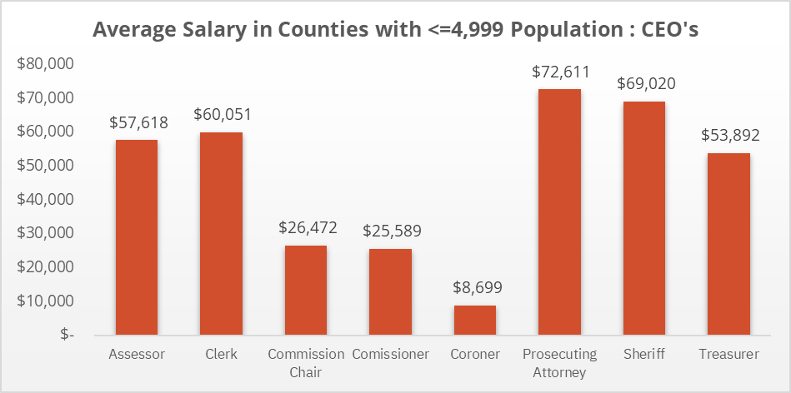
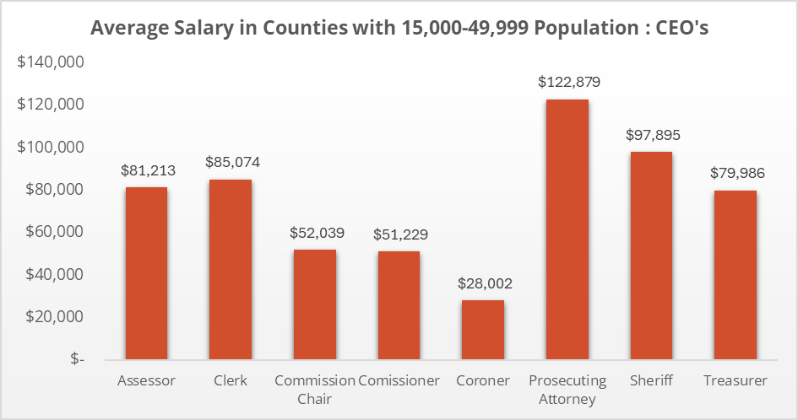
County | 2022 Population | Assessor | Clerk | Commission Chair | Commissioner | Coroner | Prosecuting Attorney | Sheriff | Treasurer
Ada | 518,907 | $130,927.00 | $136,334.00 | $137,416.00 | $136,334.00 | $130,927.00 | $203,387.00 | $170,375.00 | $130,927.00
Adams | 4,817 | $70,779.54 | $74,136.14 | $36,689.00 | $36,689.00 | $6,058.00 | $118,715.74 | $78,468.00 | $69,815.46
Bannock | 89,517 | $80,518.15 | $80,518.15 | $80,518.15 | $80,518.15 | $80,518.15 | $113,381.75 | $102,308.96 | $80,518.15
Bear Lake | 6,722 | $75,585.59 | $75,585.59 | $22,092.23 | $22,092.23 | $20,990.00 | $76,384.80 | $79,981.17 | $75,585.59
Benewah | 10,370 | $55,738.44 | $55,738.44 | $20,727.96 | $20,727.96 | $15,034.92 | $107,115.48 | $70,062.60 | $55,738.44
Bingham | 49,923 | $83,200.00 | $83,200.00 | $83,200.00 | $83,200.00 | $40,000.00 | $117,500.00 | $114,000.00 | $83,200.00
Blaine | 24,866 | $109,190.60 | $122,309.81 | $102,956.36 | $102,956.36 | $55,423.41 | $171,815.61 | $161,092.32 | $109,190.60
Boise | 8,333
Bonner | 51,414 | $91,641.89 | $91,641.89 | $96,390.31 | $96,390.15 | $91,641.89 | $139,163.02 | $109,505.38 | $91,641.89
Bonneville | 129,496 | $99,803.47 | $99,803.47 | $99,803.47 | $99,803.47 | $75,010.00 | $143,129.70 | $119,370.13 | $99,803.47
Boundary | 13,345 | $83,523.00 | $83,523.00 | $61,490.00 | $59,490.00 | $52,159.00 | $87,138.00 | $84,851.40 | $83,523.00
Butte | 2,684 | $54,563.00 | $54,563.00 | $30,135.00 | $26,040.19 | $14,614.08 | $61,583.00 | $71,571.53 | $54,563.00
Camas | 1,153 | $62,628.12 | $68,746.32 | $18,960.00 | $17,760.00 | $5,106.00 | $53,395.00 | n/a | n/a
Canyon | 251,065 | $115,635.52 | $121,991.22 | $115,731.72 | $115,731.72 | $103,510.42 | $169,031.20 | $154,500.32 | $116,951.64
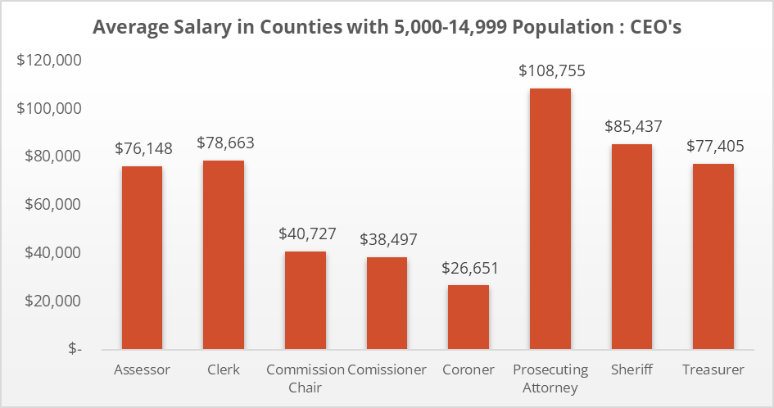
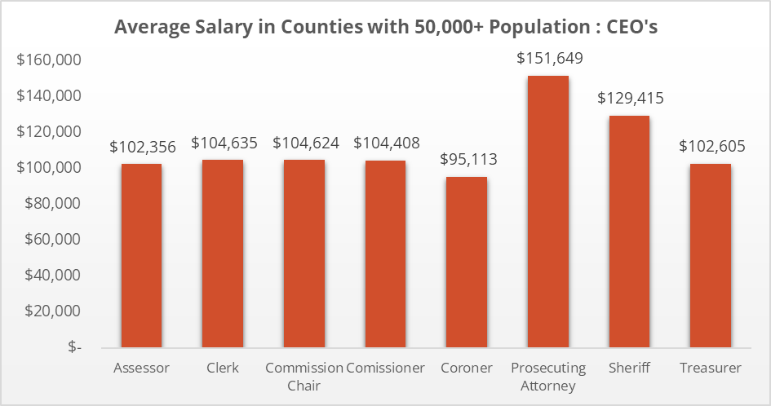
Caribou | 7,190 | $64,826.50 | $68,286.25 | $25,500.00 | $25,000.00 | $10,287.01 | $108,580.00 | $75,991.32 | $64,826.20
Cassia | 25,655 | $78,057.97 | $85,000.00 | $33,548.76 | $33,548.76 | $18,759.86 | $130,000.00 | $99,737.56 | $80,000.00
Clark | 806 | $55,000.00 | $55,000.00 | $25,000.00 | $25,000.00 | $3,616.00 | $49,580.88 | $72,650.00 | $39,370.18
Clearwater | 9,015 | $77,168.00 | $77,168.00 | $47,777.60 | $37,835.20 | $16,463.20 | $112,840.00 | $90,106.84 | $77,168.00
Custer | 4,506 | $51,294.00 | $52,676.00 | $30,164.00 | $30,164.00 | $18,000.00 | $75,000.00 | $62,000.00 | $51,294.00
Elmore | 29,403 | $81,108.00 | $87,558.00 | $50,048.00 | $50,048.00 | $27,931.00 | $102,197.00 | $96,464.00 | $81,108.00
Franklin | 15,189 | $70,134.00 | $77,148.00 | $33,256.81 | $31,156.81 | $6,641.68 | $125,917.22 | $77,146.00 | $70,134.00
Fremont | 13,978 | $85,760.00 | $85,760.00 | $58,561.00 | $51,114.00 | $30,000.00 | $127,974.00 | $100,282.00 | $85,760.00
Gem | 20,418 | $80,800.00 | $86,377.00 | $49,304.00 | $49,304.00 | $22,265.00 | $119,432.00 | $88,167.00 | $78,624.00
Gooding | 15,715 | $79,202.00 | $79,202.00 | $39,565.00 | $37,560.00 | $15,000.00 | $124,127.00 | $90,847.30 | $79,202.14
Idaho | 17,593 | $68,152.50 | $72,686.25 | $32,360.34 | $32,360.34 | $12,669.77 | $107,151.65 | $73,247.00 | $67,512.00
Jefferson | 33,428 | $66,148.00 | $66,148.00 | $34,017.00 | $33,177.04 | $10,530.00 | $107,237.00 | $84,656.00 | $66,148.00
Jerome | 25,311 | $79,632.35 | $85,580.51 | $56,759.48 | $52,797.42 | $19,424.90 | $134,999.94 | $92,635.26 | $79,911.41
Kootenai | 183,578 | $108,888.00 | $114,878.40 | $108,992.00 | $108,992.00 | $97,468.80 | $159,182.40 | $145,516.80 | $110,136.00
Latah | 40,978 | $91,744.00 | $91,716.00 | $63,468.00 | $61,044.00 | $38,184.00 | $119,568.00 | $101,328.00 | $78,792.00
Lemhi | 8,240 | $82,150.85 | $84,151.00 | $35,773.00 | $35,773.00 | $15,635.00 | $125,000.00 | $87,150.00 | $82,150.00
Lewis | 3,763 | $51,443.16 | $55,183.00 | $17,883.00 | $17,883.00 | $4,800.00 | $77,392.08 | $60,411.96 | $54,418.00
Lincoln | 5,329 | $74,974.00 | $49,522.00 | $39,785.00 | $32,048.00 | $6,795.00 | $78,274.00 | $64,240.00 | $64,615.00
Madison | 54,976 | $83,393.59 | $85,775.97 | $47,358.61 | $47,358.61 | $28,549.80 | $133,634.32 | $102,000.00 | $83,393.59
Minidoka | 22,194 | $74,470.50 | $78,975.00 | $31,999.76 | $31,999.76 | $22,444.87 | $125,000.20 | $91,045.50 | $73,460.42
Nez Perce | 43,004 | $96,637.00 | $96,637.00 | $80,829.00 | $80,829.00 | $66,250.00 | $125,861.00 | $103,605.00 | $94,016.00
Oneida | 4,712
Owyhee | 12,613 | $75,399.00 | $100,546.00 | $34,973.00 | $34,973.00 | $37,225.00 | $139,050.00 | $95,451.00 | $90,483.00
Payette | 26,956 | $78,498.90 | $78,498.90 | $37,229.65 | $37,229.65 | $36,497.93 | $109,499.50 | $96,563.32 | $78,498.90
Power | 8,068 | $70,000.00 | $71,000.00 | $37,000.00 | $34,000.00 | $15,750.00 | $95,400.00 | $75,000.00 | $70,000.00
Shoshone | 14,012
Teton | 12,544
Twin Falls | 93,696 | $109,637.00 | $109,637.00 | $109,637.00 | $109,637.00 | $95,234.00 | $149,282.00 | $119,080.00 | $109,637.00
Valley | 12,464 | $96,610.11 | $96,610.11 | $67,627.08 | $67,627.08 | $65,000.00 | $138,763.55 | $110,521.17 | $96,610.11
Washington | 11,087 | $77,896.00 | $77,900.00 | $39,873.60 | $39,312.00 | $18,000.00 | $96,012.80 | $81,952.00 | $77,896.00

